Instructions
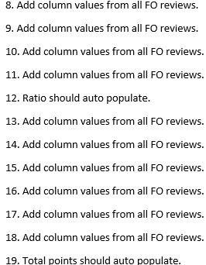
For the purpose of this guidance, the following definitions apply:
1. The term “well or wells” means any non Abondoned (ABD) wellbore, not well completion.
2. Idled well means a well which has been non-operational for four consecutive years or longer.
3. The bond review will be on any property covered by the operators bond.
4. Operator-specific property is any Federal lease or portion thereof segregated for royalty purposes, by a communitization agreement, or a unit participating area operated by the same operator.

NOTES:
A. An amount of $500 will be associated to each point.
B. Bond increase is for the original bond of the Operator-specific property and this applies to lease, unit, state, and nationwide bonds.
C. The Calculated Values are in Blue (1234)

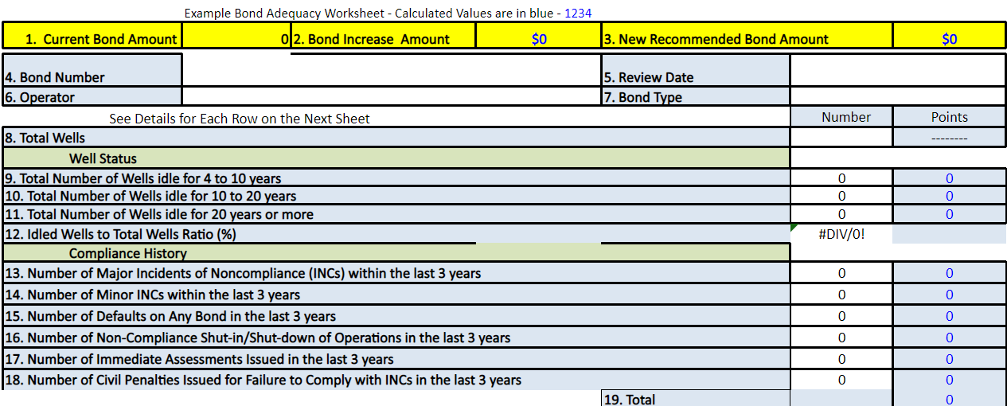
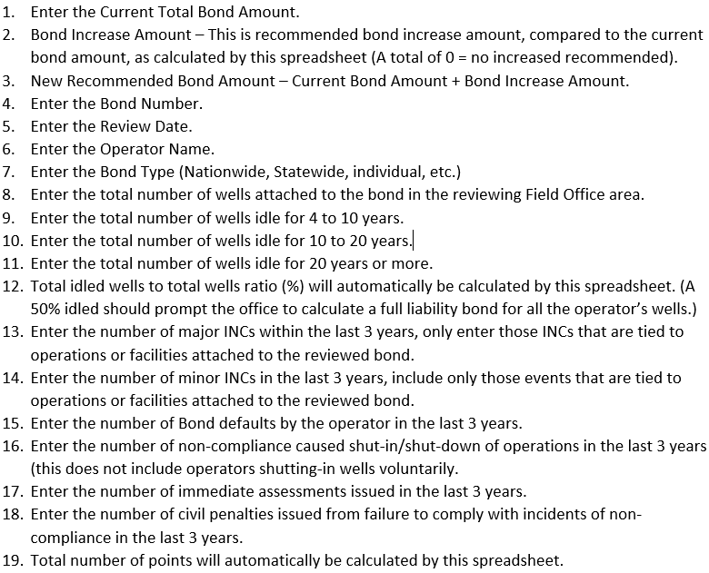

Bond Adequacy Review Consolidation Instructions

